ECTS Form
ECTS COURSE DESCRIPTION FORM
PART I (Senate Approval)
Offering School | Antalya Bilim University - Engineering Faculty |  |  |  |  | Offering Department |  | Electrical and Electronics Engineering
Program(s) Offered to | Computer Engineering(Elective) |  |  |  |  | Electrical and Electronics Engineering (Elective)
 | Civil Engineering(Elective) |  |  |  |  | Industrial Engineering(Elective)
 | Mechanical Engineering(Elective) |  |  |  |  | Non-engineering Programs
Course Name | Introduction to Robotics |  |  |  |  | Course Code |  | EE 424
Level of Course | Undergraduate |  |  |  |  | Type of Course |  | Theory & Practical
Language of Instruction | English |  |  |  |  | ECTS Credits |  | 5
Hours per Week | Lecture: | 3 |  |  | Practical: | 0 |  | Studio:
 | Laboratory: |  |  |  | Recitation: | 2 |  | Other:
Pre-requisites | None, but a basic knowledge on probability and programming is required. |  |  |  |  | Co-requisites
Registration Restriction | None |  |  |  |  | Grading Mode |  | Letter Grade
Educational Objective | The course aims to introduce the fundamentals of robotics. At the end of a successful completion of the course, a student is expected to be knowledgable on the basics of robotics, which will be a prerequisite for another advanced robotics course.
Course Description | The course covers fundamental concepts of robotics. First, a mathematical introduction is presented about linear algebra, differential equations, probability and programming. Following these, motion equations are introduced for mobile robots. This is utilized in key topics, such as the localization and mapping. After these concepts, Simultaneous Localization and Mapping is introduced and some of the mostly preferred filtering methods, such as the Kalman Filter, Extended Kalman Filter, Cubature Kalman Filter and Particle Filter are explained to perform SLAM.
Learning Outcomes | LO1 | Able to understand how a mobile robot works.
 | LO2 | Able to understand SLAM and the working principles of filtering.
 | LO3 | Understand how to design and simulate an efficient probabilistic method for robot motion.
 | LO4 | Able to understand and interpret multidisciplanary scientific literature where robotics is used.
 | LO5 | Able to design desired navigation algorithms by using computer programming.
 | LO6 | Able to think analytically and solve complex problemss encountered in robotic motion methods and express the results by reports.
 | LO7 | Design of robots
PART II (Faculty Board Approval)
 |  | Program Outcomes |  |  |  | LO1 | LO2 | LO3 | LO4 | LO5 | LO6 | LO7
Basic Outcomes (University-wide) | PO1 | Ability to communicate effectively and write and present a report in Turkish and English. |  |  |  | 0 | 0 | 0 | 1 | 1 | 1 | 1
 | PO2 | Ability to work individually, and in intra-disciplinary and multi-disciplinary teams. |  |  |  | 0 | 0 | 0 | 3 | 3 | 3 | 3
 | PO3 | Recognition of the need for life-long learning and ability to access information , follow developments in science and technology, and continually reinvent oneself. |  |  |  | 2 | 2 | 2 | 2 | 2 | 2 | 2
 | PO4 | Knowledge of project management, risk management, innovation and change management, entrepreneurship, and sustainable development. |  |  |  | 0 | 0 | 0 | 1 | 1 | 3 | 3
 | PO5 | Awareness of sectors and ability to prepare a business plan. |  |  |  | 0 | 0 | 0 | 0 | 0 | 0 | 0
 | PO6 | Understanding of professional and ethical responsibility and demonstrating ethical behavior. |  |  |  | 0 | 0 | 0 | 1 | 1 | 2 | 2
Faculty Specific Outcomes | PO7 | Ability to develop, select and use modern techniques and tools necessary for engineering applications and ability to use information technologies effectively. |  |  |  | 3 | 3 | 3 | 3 | 3 | 3 | 3
 | PO8 | Recognition of the effects of engineering applications on health, environment and safety in the universal and societal dimensions and the problems of the time and awareness of the legal consequences of engineering solutions. |  |  |  | 2 | 2 | 2 | 3 | 2 | 2 | 2
 | PO9 | Ability to identify, define, formulate and solve complex engineering problems; and electing and applying appropriate analysis and modelling methods for this purpose. |  |  |  | 2 | 2 | 2 | 3 | 3 | 3 | 3
Program Specific Outcomes | PO10 | Gains comprehensive knowledge in mathematics, natural sciences, related engineering fields and general engineering subjects. |  |  |  | 3 | 3 | 3 | 3 | 3 | 3 | 3
 | PO11 | Able to identify complex engineering problems and solve them with appropriate methods of analysis. |  |  |  | 2 | 2 | 2 | 3 | 3 | 3 | 3
 | PO12 | Able to design a complex electronic system that meets the desired performance by using modern design techniques and taking real life conditions into account. |  |  |  | 3 | 3 | 3 | 3 | 3 | 3 | 3
PART III (Department Board Approval)
Course Contents, Contribution of Course Contents to Learning Outcomes, and Methods for Assessing Learning of Course Contents | Subject | Week | Details of Course Contents |  |  | LO1 | LO2 | LO3 | LO4 | LO5 | LO6 | LO7
 | S1 | 1 | Basic concepts |  |  | A1-A5 | A1-A5 | A1-A5 | A1-A5 | A1-A5 | A1-A5 | A1-A5
 | S2 | 2 | A brief review of linear algebra and differential equations |  |  | A1-A5 | A1-A5 | A1-A5 | A1-A5 | A1-A5 | A1-A5 | A1-A5
 | S3 | 3 | Review of probability and stochastic systems |  |  | A1-A5 | A1-A5 | A1-A5 | A1-A5 | A1-A5 | A1-A5 | A1-A5
 | S4 | 4 | Motion equations |  |  | A1-A5 | A1-A5 | A1-A5 | A1-A5 | A1-A5 | A1-A5 | A1-A5
 | S5 | 5 | Localization |  |  | A1-A5 | A1-A5 | A1-A5 | A1-A5 | A1-A5 | A1-A5 | A1-A5
 | S6 | 6 | Mapping |  |  | A1-A5 | A1-A5 | A1-A5 | A1-A5 | A1-A5 | A1-A5 | A1-A5
 | S7 | 7 | Probabilistic filters: Kalman Filter |  |  | A1-A5 | A1-A5 | A1-A5 | A1-A5 | A1-A5 | A1-A5 | A1-A5
 | S8 | 8 | Extended Kalman Filter |  |  | A1-A5 | A1-A5 | A1-A5 | A1-A5 | A1-A5 | A1-A5 | A1-A5
 | S9 | 9 | Particle Filter |  |  | A1-A5 | A1-A5 | A1-A5 | A1-A5 | A1-A5 | A1-A5 | A1-A5
 | S10 | 10 | Navigation |  |  | A1-A5 | A1-A5 | A1-A5 | A1-A5 | A1-A5 | A1-A5 | A1-A5
 | S11 | 11 | Simultaneous localization and mapping (SLAM) |  |  | A1-A5 | A1-A5 | A1-A5 | A1-A5 | A1-A5 | A1-A5 | A1-A5
 | S12 | 12 | SLAM by Kalman Filter |  |  | A1-A5 | A1-A5 | A1-A5 | A1-A5 | A1-A5 | A1-A5 | A1-A5
 | S13 | 13 | SLAM by Extended Kalman Filter |  |  | A1-A5 | A1-A5 | A1-A5 | A1-A5 | A1-A5 | A1-A5 | A1-A5
 | S14 | 14 | SLAM by Particle Filter |  |  | A1-A5 | A1-A5 | A1-A5 | A1-A5 | A1-A5 | A1-A5 | A1-A5
Assessment Methods, Weights in Grading Scheme, Implementation and Make-Up Rules | No | Type |  |  | Weight | Implementation Rule |  |  | Make-Up Rule
 | A1 | Exam-Final Jury,Final Project |  |  | 50% | No electronics allowed in the exams except calculators |  |  | The student is informed about a make up exam in case his/her excuse is valid and an accompanying doctors report is provided.
 | A2 | Quiz |  |  | 10% | written exam |  |  | faculty approval
 | A3 | Midterm |  |  | 10% | written exam |  |  | faculty approval
 | A4 | Project |  |  | 20% | Projects determined as part of the class are performed by the students in groups. Project demonstration is made on a day during finals week. A group report is submitted at the last day of the final exams |  |  | The student is informed about a make up project demonstration in case his/her excuse is valid and an accompanying doctors report is provided.
 | A5 | Presentation |  |  | 10% | Project works are presented orally |  |  | faculty approval
 | A6 | Homework
 | A7 | Attendence/Interaction
 | A8 | Class/Lab./ Field Work
 | A9 | Others
 | TOTAL |  |  |  | 100%
Evidence of Achievement of Learning Outcomes | At least one question from each subject is asked during the exams. Students are required to perform experiments and a project that involve the class content, and write a report for each lab and the project. A weighted average is calculated for each student based on the percentage of each assessment method. Students are required to collect a minimum score over 100, which is announced by the instructor, to pass the course. This score is determined based on class average.
Method for Determining Letter Grade | Direct Conversion System ("DDS" in the regulation.) |  |  |  |  | Relative Evaluation ("BDS" in the regulation.)
 | A different method/system, not listed above, determined by the Faculty Member / Instructor (This method is explained below)
 | 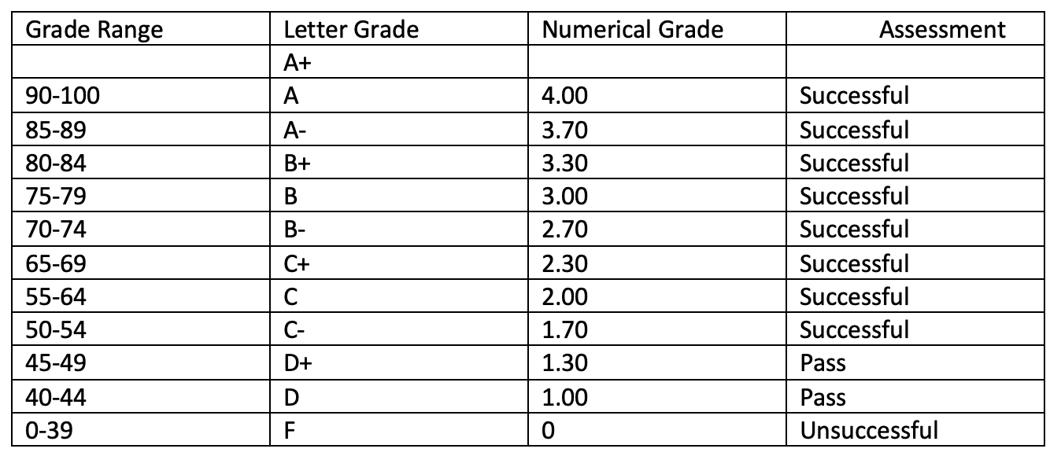
Teaching Methods, Student Work Load | No | Method |  |  |  | Explanation |  |  |  | Total Hours
 | Time expected to be allocated by instructor
 | 1 | Lecture |  |  |  | Class content is explained by writings on the board and computer presentations |  |  |  | 3x14
 | 2 | Interactive Lecture
 | 3 | Recitation |  |  |  | Example questions are solved on the board |  |  |  | 1x14
 | 4 | Laboratory
 | 5 | Practical
 | 6 | Field Work
 | Time expected to be allocated by student
 | 7 | Project |  |  |  | A project is implemented, and a report is prepared |  |  |  | 1x14
 | 8 | Homework
 | 9 | Pre-class Learning of Course Material |  |  |  | Next class’ material is read before the class |  |  |  | 2x14
 | 10 | Review of Course Material |  |  |  | Previous class material is reviewed each week |  |  |  | 2x14
 | 11 | Studio
 | 12 | Office Hour |  |  |  | One-to-one meetings for discussions |  |  |  | 2x14
 | Calculated ECTS Credit(s) |  |  | Max. | 5 | Min. | 5 | Grand Total |  | 154
IV. PART
Instructor | Name Surname |  |  |  | Deniz GENÇAĞA
 | E-mail |  |  |  | deniz.gencaga@antalya.edu.tr
 | Phone Number |  |  |  | 0242 245 0324
 | Office Number |  |  |  | A1-65
 | Office Hours |  |  |  | Determined during each semester, 2 hours per week
Course Materials | Mandatory
 | Recommended |  |  |  | Thrun, Sebastian; Burgard, Wolfram; Fox, Dieter. Probabilistic Robotics (Intelligent Robotics and Autonomous Agents series), The MIT Press, 2006, Cambridge, MA USA.
Other | Scholastic Honesty |  |  |  | Violations of scholastic honesty include, but are not limited to cheating, plagiarizing, fabricating information or citations, facilitating acts of dishonesty by others, having unauthorized possession of examinations, submitting work of another person or work previously used without informing the instructor, or tampering with the academic work of other students. Any for of scholastic dishonesty is a serious academic violation and will result in a disciplinary action.
 | Students with Disabilities |  |  |  | Reasonable accommodations will be made for students with verifiable disabilities.
 | Safety Issues |  |  |  | The course does not require any special safety precautions.
 | Flexibility |  |  |  | Circumstances may arise during the course that prevents the instructor from fulfilling each and every component of this syllabus; therefore, the syllabus is subject to change. Students will be notified prior to any changes.
Form No: ÜY-FR-1064 Yayın Tarihi:06.04.2022 Değ.No:0 Değ. Tarihi:-

