ECTS Form
ECTS COURSE DESCRIPTION FORM
PART I (Senate Approval)
Offering School | Antalya Bilim University - Faculty of Engineering and Natural Sciences |  |  |  |  | Offering Department |  | Electrical and Electronics Engineering
Program(s) Offered to | Computer Engineering (Elective) |  |  |  |  | Electrical and Electronics Engineering (Elective)
 | Civil Engineering (Elective) |  |  |  |  | Industrial Engineering (Elective)
 | Mechanical Engineering (Elective) |  |  |  |  | Non-engineering Programs
Course Name | High Voltage Techniques |  |  |  |  | Course Code |  | EE 488
Level of Course | Undergraduate |  |  |  |  | Type of Course |  | Theory
Language of Instruction | English |  |  |  |  | ECTS Credits |  | 6
Hours per Week | Lecture: | 3 |  |  | Practical: |  |  | Studio:
 | Laboratory: |  |  |  | Recitation: |  |  | Other:
Pre-requisites | Electromagnetic Theory |  |  |  |  | Co-requisites
Registration Restriction | None |  |  |  |  | Grading Mode |  | Letter Grade
Educational Objective | The course aims to introduce principles of breakdown in gases, liquids and solids. The students are going to be able to describe and comprehend the application of insulation materials for the insulation of high voltage systems, and explain discharge detection in high voltage equipments.
Course Description | The course covers experimental and numerical (finite difference, finite element and charge simulation) methods and applications. Electrical breakdown in gases: ionization processes. Townsend s breakdown criterion, Paschens Law, bread-down in electronegative gases, time lags. Streamer-Kanal mechanism, breakdown in non-uniform field and corona. Electrical break-down of liquids: breakdown mechanism of pure and commercial liquids. Moreover the electrical breakdown of solids.
Learning Outcomes | LO1 | Identify basic concepts related to electrical breakdown of insulating gases, liquids and solids.
 | LO2 | Describe Townsend breakdown mechanism.
 | LO3 | Describe streamer (or kanal) mechanism of spark.
 | LO4 | Describe corona discharge
 | LO5 | Explain the electrical breakdown of liquids under laboratory conditions and breakdown theories
 | LO6 | Identify different breakdown mechanisms in solids
 | LO7 | Explain the characteristics and application of dielectric gases, insulating liquids and solid dielectric material.
PART II (Faculty Board Approval)
 |  | Program Outcomes |  |  |  | LO1 | LO2 | LO3 | LO4 | LO5 | LO6 | LO7
Basic Outcomes (University-wide) | PO1 | Ability to communicate effectively and write and present a report in Turkish and English. |  |  |  | 1 | 0 | 0 | 0 | 1 | 0 | 1
 | PO2 | Ability to work individually, and in intra-disciplinary and multi-disciplinary teams. |  |  |  | 1 | 0 | 0 | 0 | 3 | 2 | 2
 | PO3 | Recognition of the need for life-long learning and ability to access information , follow developments in science and technology, and continually reinvent oneself. |  |  |  | 2 | 2 | 2 | 2 | 2 | 2 | 2
 | PO4 | Knowledge of project management, risk management, innovation and change management, entrepreneurship, and sustainable development. |  |  |  | 2 | 0 | 0 | 0 | 3 | 1 | 3
 | PO5 | Awareness of sectors and ability to prepare a business plan. |  |  |  | 1 | 1 | 1 | 1 | 1 | 1 | 1
 | PO6 | Understanding of professional and ethical responsibility and demonstrating ethical behavior. |  |  |  | 1 | 0 | 1 | 1 | 1 | 1 | 1
Faculty Specific Outcomes | PO7 | Ability to develop, select and use modern techniques and tools necessary for engineering applications and ability to use information technologies effectively. |  |  |  | 3 | 3 | 3 | 3 | 3 | 3 | 3
 | PO8 | Recognition of the effects of engineering applications on health, environment and safety in the universal and societal dimensions and the problems of the time and awareness of the legal consequences of engineering solutions. |  |  |  | 3 | 2 | 2 | 3 | 2 | 2 | 2
 | PO9 | Ability to identify, define, formulate and solve complex engineering problems; and electing and applying appropriate analysis and modelling methods for this purpose. |  |  |  | 1 | 2 | 2 | 2 | 3 | 3 | 3
Program Specific Outcomes | PO10 | Gains comprehensive knowledge in mathematics, natural sciences, related engineering fields and general engineering subjects. |  |  |  | 2 | 3 | 3 | 3 | 3 | 3 | 3
 | PO11 | Able to identify complex engineering problems and solve them with appropriate methods of analysis. |  |  |  | 2 | 2 | 2 | 2 | 3 | 3 | 3
 | PO12 | Able to design a complex electronic system that meets the desired performance by using modern design techniques and taking real life conditions into account. |  |  |  | 1 | 3 | 3 | 3 | 3 | 3 | 3
PART III (Department Board Approval)
Course Contents, Contribution of Course Contents to Learning Outcomes, and Methods for Assessing Learning of Course Contents | Subject | Week | Details of Course Contents |  |  | LO1 | LO2 | LO3 | LO4 | LO5 | LO6 | LO7
 | S1 | 1 | Experimental and numerical methods |  |  | A1-A2-A4-A6 | A1-A2-A4-A6 | A1-A2-A4-A6 | A1-A2-A4-A6 | A1-A2-A4-A6 | A1-A2-A4-A6 | A1-A2-A4-A6
 | S2 | 2 | Electrical breakdown in gases |  |  | A1-A2-A4-A6 | A1-A2-A4-A6 | A1-A2-A4-A6 | A1-A2-A4-A6 | A1-A2-A4-A6 | A1-A2-A4-A6 | A1-A2-A4-A6
 | S3 | 3 | Electrical breakdown of liquids |  |  | A1-A2-A4-A6 | A1-A2-A4-A6 | A1-A2-A4-A6 | A1-A2-A4-A6 | A1-A2-A4-A6 | A1-A2-A4-A6 | A1-A2-A4-A6
 | S4 | 4 | Electrical breakdown of solids |  |  | A1-A2-A4-A6 | A1-A2-A4-A6 | A1-A2-A4-A6 | A1-A2-A4-A6 | A1-A2-A4-A6 | A1-A2-A4-A6 | A1-A2-A4-A6
 | S5 | 5 | Dielectric Materials and Applications |  |  | A1-A2-A4-A6 | A1-A2-A4-A6 | A1-A2-A4-A6 | A1-A2-A4-A6 | A1-A2-A4-A6 | A1-A2-A4-A6 | A1-A2-A4-A6
Assessment Methods, Weights in Grading Scheme, Implementation and Make-Up Rules | No | Type |  |  | Weight | Implementation Rule |  |  | Make-Up Rule
 | A1 | Exam-Final Jury,Final Project |  |  | 45% | No electronics allowed in the exams except calculators |  |  | The student is informed about a make up exam in case his/her excuse is valid and an accompanying doctors report is provided.
 | A2 | Quiz |  |  | 10%
 | A3 | Homework |  |  |  |  |  |  | late penalty
 | A4 | Midterm |  |  | 30% | written exam |  |  | department and faculty approval needed.
 | A5 | Project
 | A6 | Presentation |  |  | 15% | Oral presentation is made and written report is submitted
 | A7 | Attendence/Interaction
 | A8 | Class/Lab./ Field Work
 | A9 | Others
 | TOTAL |  |  |  | 100%
Evidence of Achievement of Learning Outcomes | At least one question from each subject is asked during the exams. Students are required to perform experiments and a project that involve the class content, and write a report for each lab and the project. A weighted average is calculated for each student based on the percentage of each assessment method. Students are required to collect a minimum score over 100, which is announced by the instructor, to pass the course. This score is determined based on class average.
Method for Determining Letter Grade | Direct Conversion System ("DDS" in the regulation.) |  |  |  |  | Relative Evaluation ("BDS" in the regulation.)
 | A different method/system, not listed above, determined by the Faculty Member / Instructor (This method is explained below)
 |  | 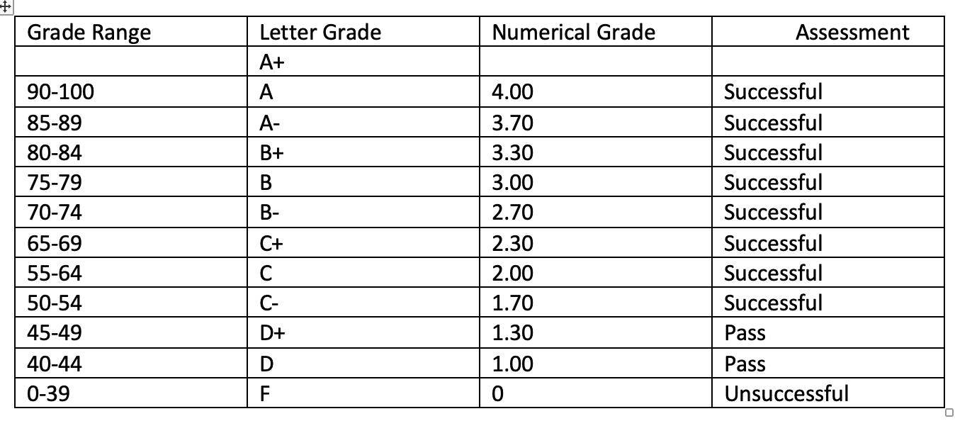
Teaching Methods, Student Work Load | No | Method |  |  |  | Explanation |  |  |  |  | Total Hours
 | Time expected to be allocated by instructor
 | 1 | Lecture |  |  |  | Class content is explained by writings on the board and computer presentations |  |  |  |  | 3x15
 | 2 | Interactive Lecture
 | 3 | Quizes |  |  |  |  |  |  |  |  | 1x14
 | 4 | Laboratory
 | 5 | Practical
 | 6 | Presentation |  |  |  | Project report is submitted and presented by each student |  |  |  |  | 2x5
 | Time expected to be allocated by student
 | 7 | Project
 | 8 | Midterm and Final Examination |  |  |  | 2 exams |  |  |  |  | 2x15
 | 9 | Pre-class Learning of Course Material |  |  |  | Next class’ material is read before the class |  |  |  |  | 1x14
 | 10 | Review of Course Material |  |  |  | Previous class material is reviewed each week |  |  |  |  | 1x14
 | 11 | Studio
 | 12 | Office Hour |  |  |  | One-to-one meetings for discussions |  |  |  |  | 2x14
 | Calculated ECTS Credit(s) |  |  | Max. | 6 | Min. | 5 | Grand Total |  |  | 155
IV. PART
Instructor | Name Surname |  |  |  | H. Feza CARLAK
 | E-mail |  |  |  | fezacarlak@gmail.com
 | Phone Number |  |  |  | 0242 310 6389
 | Office Number |  |  |  | D-311
 | Office Hours |  |  |  | Determined during each semester, 1 hours per week
Course Materials | Mandatory
 | Recommended |  |  |  | High Voltage Engineering and Testing, H. Ryan, IEEE Power Series, No:17, 1993. Yüksek Gerilim Tekniği: Aşırı Gerilimler ve Bunlara Karşı Koruma Yüksek Gerilimlerin Üretilmesi ve Ölçülmesi, M. Özkaya.
Other | Scholastic Honesty |  |  |  | Violations of scholastic honesty include, but are not limited to cheating, plagiarizing, fabricating information or citations, facilitating acts of dishonesty by others, having unauthorized possession of examinations, submitting work of another person or work previously used without informing the instructor, or tampering with the academic work of other students. Any for of scholastic dishonesty is a serious academic violation and will result in a disciplinary action.
 | Students with Disabilities |  |  |  | Reasonable accommodations will be made for students with verifiable disabilities.
 | Safety Issues |  |  |  | The course does not require any special safety precautions.
 | Flexibility |  |  |  | Circumstances may arise during the course that prevents the instructor from fulfilling each and every component of this syllabus; therefore, the syllabus is subject to change. Students will be notified prior to any changes.
Form No: ÜY-FR-1064 Yayın Tarihi:06.04.2022 Değ.No:0 Değ. Tarihi:-

