ECTS Form
ECTS COURSE DESCRIPTION FORM
PART I (Senate Approval)
Offering School | Antalya Bilim University - Engineering Faculty |  |  |  |  | Offering Department |  | Electrical and Electronics Engineering
Program(s) Offered to | Computer Engineering (Elective) |  |  |  |  | Electrical and Electronics Engineering (Compulsory)
 | Civil Engineering (Elective) |  |  |  |  | Industrial Engineering (Elective)
 | Mechanical Engineering (Elective) |  |  |  |  | Non-engineering Programs
Course Name | Circuit Theory I Laboratory |  |  |  |  | Course Code |  | EE 205
Level of Course | Undergraduate |  |  |  |  | Type of Course |  | Laboratory
Language of Instruction | English |  |  |  |  | ECTS Credits |  | 2
Hours per Week | Lecture: | 0 |  |  | Practical: | 0 |  | Studio:
 | Laboratory: | 2 |  |  | Recitation: |  |  | Other:
Pre-requisites |  |  |  |  |  | Co-requisites |  | EE 201 Circuit Theory I and EE 205 Circuit Theory I Laboratory courses should be taken concurrently within a semester
Registration Restriction | None |  |  |  |  | Grading Mode |  | Letter Grade
Educational Objective | Within the scope of this laboratory, students apply the theoretical knowledge they learned in the EE201 Circuit Theory 1 course, which they took simultaneously, in an experimental environment. The lab starts with the introduction of basic elements such as resistors, capacitors, inductors, measuring devices in the laboratory, power and function generators, oscilloscope. This is followed by working on topics such as circuit analysis methods, circuit equivalent finding methods, operational amplifiers on a breadboard, respectively. In this way, students have the opportunity to combine theory and practice.
Course Description | Implementation of theoretical circuits by using circuit elements such as circuit elements, lab instruments, measuring devices, oscilloscope, function generator, power supplies on a breadboard, Kirchhoff's laws, current voltage measurements, circuit theorems, operational amplifiers, Thevenin and Norton equivalents, analysis of RLC circuits.
Learning Outcomes | LO1 | Learning circuit elements
 | LO2 | Gaining competence in using measuring instruments and laboratory equipment such as oscilloscopes
 | LO3 | Realization of resistor circuits on breadboard and analysis of circuit theorems
 | LO4 | Observation of theoretical circuit solutions in practice
 | LO5 | Ability to detect and eliminate unexpected problems that may be encountered in practice
 | LO6 | Gaining the ability of experimental thinking
 | LO7 | Equipping the necessary information for further electronic circuit experiments
PART II (Faculty Board Approval)
 |  | Program Outcomes |  |  |  | LO1 | LO2 | LO3 | LO4 | LO5 | LO6 | LO7
Basic Outcomes (University-wide) | PO1 | Ability to communicate effectively and write and present a report in Turkish and English. |  |  |  | 0 | 0 | 0 | 1 | 1 | 1 | 1
 | PO2 | Ability to work individually, and in intra-disciplinary and multi-disciplinary teams. |  |  |  | 0 | 0 | 0 | 3 | 3 | 3 | 3
 | PO3 | Recognition of the need for life-long learning and ability to access information , follow developments in science and technology, and continually reinvent oneself. |  |  |  | 2 | 2 | 2 | 2 | 2 | 2 | 2
 | PO4 | Knowledge of project management, risk management, innovation and change management, entrepreneurship, and sustainable development. |  |  |  | 0 | 0 | 0 | 1 | 1 | 3 | 3
 | PO5 | Awareness of sectors and ability to prepare a business plan. |  |  |  | 0 | 0 | 0 | 0 | 0 | 0 | 0
 | PO6 | Understanding of professional and ethical responsibility and demonstrating ethical behavior. |  |  |  | 0 | 0 | 0 | 1 | 1 | 2 | 2
Faculty Specific Outcomes | PO7 | Ability to develop, select and use modern techniques and tools necessary for engineering applications and ability to use information technologies effectively. |  |  |  | 3 | 3 | 3 | 3 | 3 | 3 | 3
 | PO8 | Recognition of the effects of engineering applications on health, environment and safety in the universal and societal dimensions and the problems of the time and awareness of the legal consequences of engineering solutions. |  |  |  | 2 | 2 | 2 | 3 | 2 | 2 | 2
 | PO9 | Ability to identify, define, formulate and solve complex engineering problems; and electing and applying appropriate analysis and modelling methods for this purpose. |  |  |  | 2 | 2 | 2 | 3 | 3 | 3 | 3
Program Specific Outcomes | PO10 | Gains comprehensive knowledge in mathematics, natural sciences, related engineering fields and general engineering subjects. |  |  |  | 3 | 3 | 3 | 3 | 3 | 3 | 3
 | PO11 | Able to identify complex engineering problems and solve them with appropriate methods of analysis. |  |  |  | 2 | 2 | 2 | 3 | 3 | 3 | 3
 | PO12 | Able to design a complex electronic system that meets the desired performance by using modern design techniques and taking real life conditions into account. |  |  |  | 3 | 3 | 3 | 3 | 3 | 3 | 3
PART III (Department Board Approval)
Course Contents, Contribution of Course Contents to Learning Outcomes, and Methods for Assessing Learning of Course Contents | Subject | Week | Details of Course Contents |  |  | LO1 | LO2 | LO3 | LO4 | LO5 | LO6 | LO7
 | S1 | 1 | Basic circuit elements |  |  | A1-A3-A4 | A1-A3-A4 | A1-A3-A4 | A1-A3-A4 | A1-A3-A4 | A1-A3-A4 | A1-A3-A4
 | S2 | 2 | Introduction of laboratory equipment |  |  | A1-A3-A4 | A1-A3-A4 | A1-A3-A4 | A1-A3-A4 | A1-A3-A4 | A1-A3-A4 | A1-A3-A4
 | S3 | 3 | Current-voltage measurements |  |  | A1-A3-A4 | A1-A3-A4 | A1-A3-A4 | A1-A3-A4 | A1-A3-A4 | A1-A3-A4 | A1-A3-A4
 | S4 | 4 | Current-voltage measurements |  |  | A1-A3-A4 | A1-A3-A4 | A1-A3-A4 | A1-A3-A4 | A1-A3-A4 | A1-A3-A4 | A1-A3-A4
 | S5 | 5 | Realization of resistor circuits on breadboard and analysis of circuit theorems |  |  | A1-A3-A4 | A1-A3-A4 | A1-A3-A4 | A1-A3-A4 | A1-A3-A4 | A1-A3-A4 | A1-A3-A4
 | S6 | 6 | Realization of resistor circuits on breadboard and analysis of circuit theorems |  |  | A1-A3-A4 | A1-A3-A4 | A1-A3-A4 | A1-A3-A4 | A1-A3-A4 | A1-A3-A4 | A1-A3-A4
 | S7 | 7 | Realization of resistor circuits on breadboard and analysis of circuit theorems |  |  | A1-A3-A4 | A1-A3-A4 | A1-A3-A4 | A1-A3-A4 | A1-A3-A4 | A1-A3-A4 | A1-A3-A4
 | S8 | 8 | Thevenin Norton implementations |  |  | A1-A3-A4 | A1-A3-A4 | A1-A3-A4 | A1-A3-A4 | A1-A3-A4 | A1-A3-A4 | A1-A3-A4
 | S9 | 9 | Installation and testing of circuits with operational amplifiers |  |  | A1-A3-A4 | A1-A3-A4 | A1-A3-A4 | A1-A3-A4 | A1-A3-A4 | A1-A3-A4 | A1-A3-A4
 | S10 | 10 | Installation and testing of circuits with operational amplifiers |  |  | A1-A3-A4 | A1-A3-A4 | A1-A3-A4 | A1-A3-A4 | A1-A3-A4 | A1-A3-A4 | A1-A3-A4
 | S11 | 11 | Introduction of inductors and capacitors |  |  | A1-A3-A4 | A1-A3-A4 | A1-A3-A4 | A1-A3-A4 | A1-A3-A4 | A1-A3-A4 | A1-A3-A4
 | S12 | 12 | Introduction of inductors and capacitors |  |  | A1-A3-A4 | A1-A3-A4 | A1-A3-A4 | A1-A3-A4 | A1-A3-A4 | A1-A3-A4 | A1-A3-A4
 | S13 | 13 | Analysis of RLC circuits |  |  | A1-A3-A4 | A1-A3-A4 | A1-A3-A4 | A1-A3-A4 | A1-A3-A4 | A1-A3-A4 | A1-A3-A4
 | S14 | 14 | Analysis of RLC circuits |  |  | A1-A3-A4 | A1-A3-A4 | A1-A3-A4 | A1-A3-A4 | A1-A3-A4 | A1-A3-A4 | A1-A3-A4
Assessment Methods, Weights in Grading Scheme, Implementation and Make-Up Rules | No | Type |  |  | Weight | Implementation Rule |  |  | Make-Up Rule
 | A1 | Lab performance and reports |  |  | 30% | No electronics allowed in the exams except calculators |  |  | The student is informed about a make up exam in case his/her excuse is valid and an accompanying doctors report is provided.
 | A2
 | A3 | Quiz |  |  | 20% | written exam |  |  | department and faculty approval needed.
 | A4 | Final |  |  | 50% | Experiments carried out during the semester are asked either practically or theoretically |  |  | department and faculty approval needed.
 | A5 | Project
 | A6 | Presentation
 | A7 | Attendence/Interaction
 | A8 | Class/Lab./ Field Work
 | A9 | Others
 | TOTAL |  |  |  | 100%
Evidence of Achievement of Learning Outcomes | At least one question from each subject is asked during the exams. Students are required to perform experiments and a project that involve the class content, and write a report for each lab and the project. A weighted average is calculated for each student based on the percentage of each assessment method. Students are required to collect a minimum score over 100, which is announced by the instructor, to pass the course. This score is determined based on class average.
Method for Determining Letter Grade | Direct Conversion System ("DDS" in the regulation.) |  |  |  |  | Relative Evaluation ("BDS" in the regulation.)
 | A different method/system, not listed above, determined by the Faculty Member / Instructor (This method is explained below)
 |  | 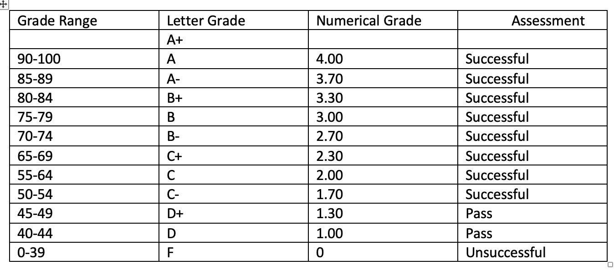
Teaching Methods, Student Work Load | No | Method |  |  |  | Explanation |  |  |  |  | Total Hours
 | Time expected to be allocated by instructor
 | 1 | Lecture
 | 2 | Interactive Lecture
 | 3 | Recitation
 | 4 | Laboratory |  |  |  | Lab manual is followed |  |  |  |  | 2x14
 | 5 | Practical
 | 6 | Field Work
 | Time expected to be allocated by student
 | 7 | Project
 | 8 | Homework |  |  |  | Lab reports |  |  |  |  | 1x14
 | 9 | Pre-class Learning of Course Material |  |  |  | Next class’ material is read before the class |  |  |  |  | 1x14
 | 10 | Review of Course Material |  |  |  | Previous class material is reviewed each week |  |  |  |  | 1x14
 | 11 | Studio
 | 12 | Office Hour
 | Calculated ECTS Credit(s) |  |  | Max. | 3 | Min. | 2 | Grand Total |  |  | 70
IV. PART
Instructor | Name Surname |  |  |  | Deniz GENÇAĞA
 | E-mail |  |  |  | deniz.gencaga@antalya.edu.tr
 | Phone Number |  |  |  | 0242 245 0324
 | Office Number |  |  |  | A1-65
 | Office Hours |  |  |  | Determined during each semester, 2 hours per week
Course Materials | Mandatory |  |  |  | EE205 Circuit Theory Laboratory 1 manual, ABU.
 | Recommended |  |  |  | “Fundamentals of Electric Circuits”, 5th edition, Ocak 2012, Charles Alexander, Matthew Sadiku, McGraw Hill
Other | Scholastic Honesty |  |  |  | Violations of scholastic honesty include, but are not limited to cheating, plagiarizing, fabricating information or citations, facilitating acts of dishonesty by others, having unauthorized possession of examinations, submitting work of another person or work previously used without informing the instructor, or tampering with the academic work of other students. Any for of scholastic dishonesty is a serious academic violation and will result in a disciplinary action.
 | Students with Disabilities |  |  |  | Reasonable accommodations will be made for students with verifiable disabilities.
 | Safety Issues |  |  |  | The course does not require any special safety precautions.
 | Flexibility |  |  |  | Circumstances may arise during the course that prevents the instructor from fulfilling each and every component of this syllabus; therefore, the syllabus is subject to change. Students will be notified prior to any changes.
Form No: ÜY-FR-1064 Yayın Tarihi:06.04.2022 Değ.No:0 Değ. Tarihi:-

